Indices

 | Iraq Stock Exchange
 | Bulletin No (116)
 | ISX Trading Indices of Monday 6/7/2026

 | Traded Volume and OTC |  | 1,110,299,457 |  | Traded Value and OTC |  | 1,966,996,860 |  | Traders | 915

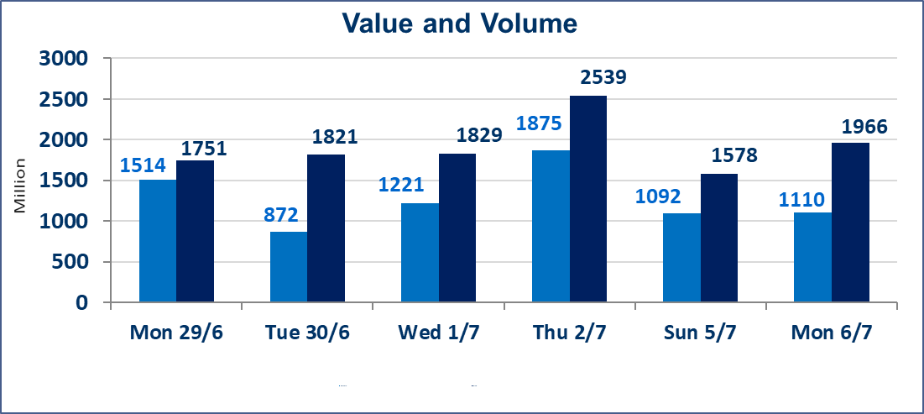
 | ISX Index 60 |  |  | 1018.76 | ISX Index 15 |  |  | 1283.69
 | Previous ISX Index60 |  |  | 1022.46 | Previous ISX Index15 |  |  | 1285.23
 | Change % |  |  | -0.36 | Change % |  |  | -0.12
 | Change |  |  | -3.70 | Change |  |  | -1.54

 | Listed Companies | 103 | OTC | 17 | Non Traded listed | 44 | OTC | 16
 | Traded Listed Companies | 45 | OTC | 1 | Higher Companies |  |  | 7
 | GAM Companies |  |  | 6 | Lower Companies |  |  | 23
 | Suspended Companies |  |  | 8
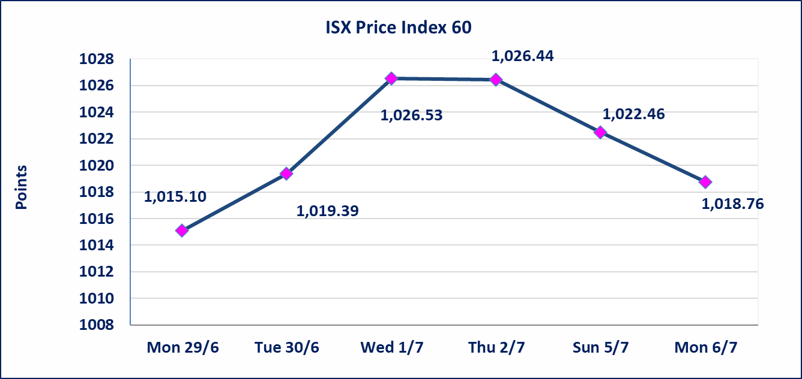
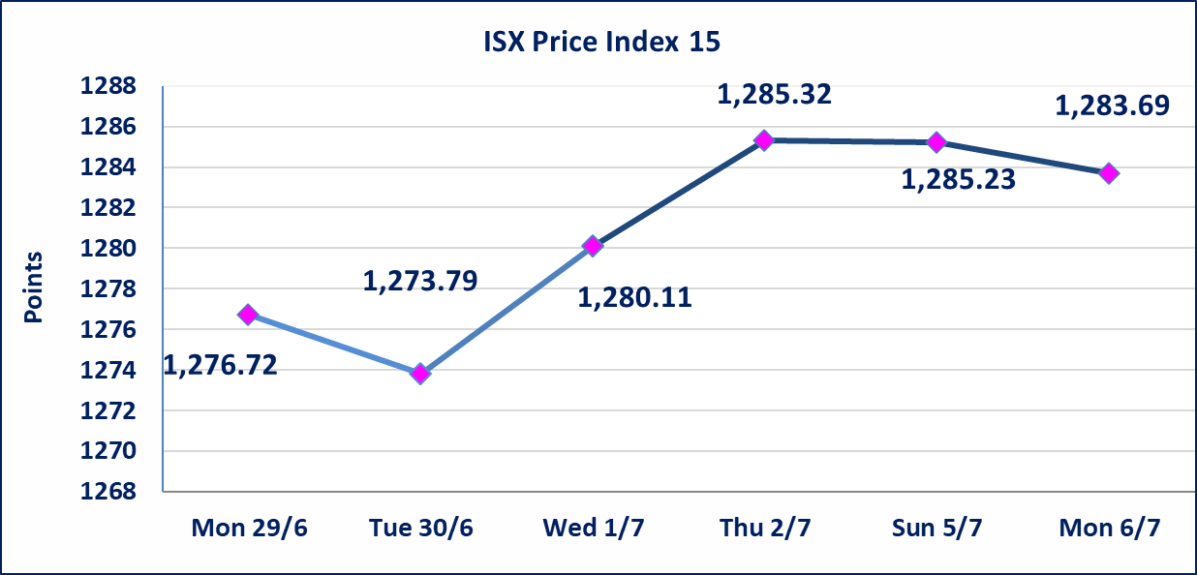

Al-Alwiya P.O . 3607 Mobile: 07711211522 - 07270094594 - 07834000034 E-mail: info-isx@isx-iq.net Web site:www.isx-iq.net

Top 5
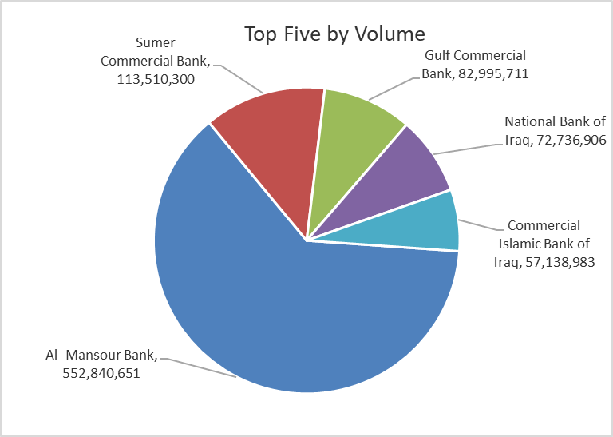
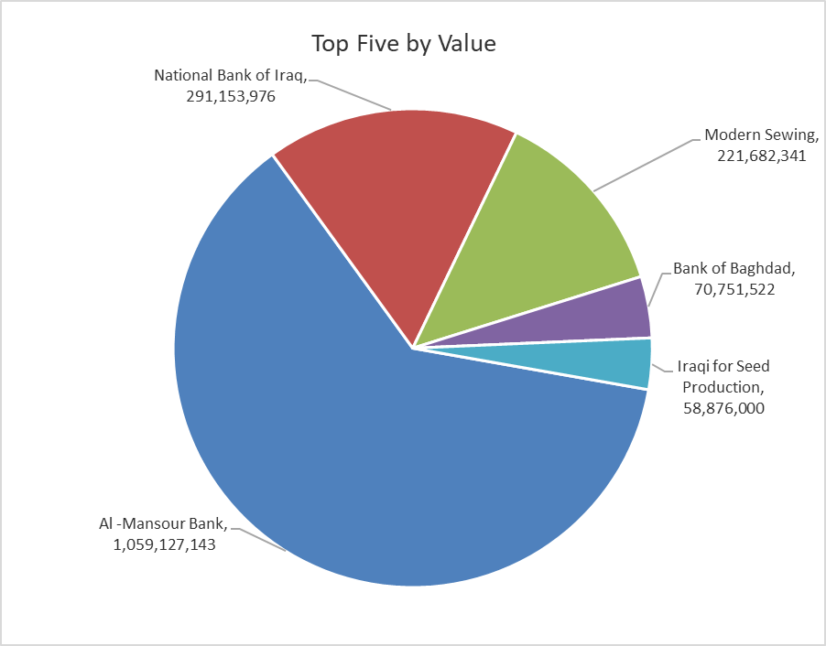

ISX top ganing and losing companies
Monday 6/7/2026
 | Gainers |  |  |  | Losers
 | Company Name | Closing Price | Change (%) | Traded Volume | Company Name | Closing Price | Change (%) | Traded Volume
 | Iraqi Carton Manufactories | 2.420 | 9.50 | 27,343 | Middle East Bank | 0.080 | -11.11 | 2,643,178
 | Modern Sewing | 6.450 | 7.50 | 35,432,027 | Trans Iraq Bank Investment | 0.270 | -10.00 | 8,024,388
 | International Islamic Bank | 0.220 | 4.76 | 33,591 | Electronic Industry | 1.400 | -9.68 | 769,750
 | Baghdad Hotel | 12.500 | 4.17 | 13,750 | Elaf Islamic Bank | 0.270 | -6.90 | 1,033,403
 | Al-Taif Islamic Bank | 0.890 | 1.14 | 39,412 | General Transportation | 1.660 | -5.14 | 200,179
 | The most active companies in term of traded volume and value

 | Traded Volume |  |  |  | Traded Value
 | Company Name | Closing Price | Change (%) | Traded Volume | Company Name | Closing Price | Change (%) | Traded Value
 | Al -Mansour Bank | 1.920 | 0.00 | 552,840,651 | Al -Mansour Bank | 1.920 | 0.00 | 1,059,127,143
 | Sumer Commercial Bank | 0.220 | 0.00 | 113,510,300 | National Bank of Iraq | 4.000 | -0.50 | 291,153,976
 | Gulf Commercial Bank | 0.340 | -2.86 | 82,995,711 | Modern Sewing | 6.450 | 7.50 | 221,682,341
 | National Bank of Iraq | 4.000 | -0.50 | 72,736,906 | Bank of Baghdad | 3.000 | 0.00 | 70,751,522
 | Commercial Islamic Bank of Iraq | 0.650 | -1.52 | 57,138,983 | Iraqi for Seed Production | 6.630 | -1.04 | 58,876,000

Non Iraqis

Iraq Stock Exchange
Non Iraqis' Bulletin Monday July 6 2026
Regular Market

Non Iraqi Trading of Regular Market (Buy)
Company Names | Code | No.of trades | Traded Shares | Trading Volume
Banks Sector
Al-Mansour Bank | BMNS | 9 | 140,497,485 | 269,755,171
Total Bank sector |  | 9 | 140,497,485 | 269,755,171
Grand Total |  | 9 | 140,497,485 | 269,755,171

Non Iraqi Trading of Regular Market (Sell)
Company Names | Code | No.of trades | Traded Shares | Trading Volume
Banks Sector
National Bank Of Iraq | BNOI | 71 | 60,736,957 | 243,071,677
Al-Mansour Bank | BMNS | 62 | 500,000,000 | 957,608,093
Total Bank sector |  | 133 | 560,736,957 | 1,200,679,770
Grand Total |  | 133 | 560,736,957 | 1,200,679,770

OTC

Iraq Stock Exchange

Monday 6/7/2026

OTC Platform Trading Bulletin No (116)
Company Name | Code | highest price | lowest price | Average price | No.of Trades | Traded Volume | Traded Value
Banks Sector
Al-Warka Bank | BWAI | 0.140 | 0.130 | 0.130 | 3 | 15,000,000 | 2,000,000
Total Of Money Service Sector |  |  |  |  | 3 | 15,000,000 | 2,000,000
Total |  |  |  |  | 3 | 15,000,000 | 2,000,000

Not Trading OTC Companies
Company Name |  |  | Code |  | Previous Average price
Banks Sector
Al-Sanam Islamic Bank |  |  | BSAN |  | 3.000
Hammurabi Commercial Bank |  |  | BHAM |  | ـــــــــــــــــــــــــــــــــــ
Industrial Sector
Kirkuk producing constructional materials |  |  | IKFP |  | 2.660
Money Service Sector
Rabee Securities |  |  | FRSE |  | 9.050
Karmal Brokerage |  |  | FKSX |  | 10.000
Iraqi Deposit Insurance Corporation |  |  | FIDI |  | 1.000
Ishtar Gate for e-Paymant |  |  | FISH |  | 1.000
Sama Baghdad Exchange |  |  | FSBE |  | ـــــــــــــــــــــــــــــــــــ
Insurance Sector
Almaseer lnsurance Company |  |  | NMAS |  | ـــــــــــــــــــــــــــــــــــ
Zain lnsurance Company |  |  | NZA |  | ـــــــــــــــــــــــــــــــــــ
Dar Altheqa Insurance Company |  |  | NDAR |  | ـــــــــــــــــــــــــــــــــــ
Shatt Al Arab Insurance |  |  | NSHA |  | 1.000
Al Badia Insurance |  |  | NBAD |  | ـــــــــــــــــــــــــــــــــــ
Kurdistan Insurance |  |  | NKUI |  | 0.500
Elaf Insurance |  |  | NELF |  | ـــــــــــــــــــــــــــــــــــ
Dilina Insurance Company |  |  | NDIL |  | ـــــــــــــــــــــــــــــــــــ

Not Trading Bonds

Iraq Stock Exchange
Monday 6/7/2026
Not Trading Bonds Bulletin
Bond type | Publish type | Code | last trading price | immortilize date
Banaa Bonds /Million ID | Second | CB20 | 964,981 | 19/12/2025
Eamar Bonds /Million ID | First | CB30 | 1,001,095 | ــــــــــــــــ
Eamar Bonds /Million ID | Second | CB40 | ــــــــــــــــ | ــــــــــــــــ
Eamar Bonds /500 Thousand ID | Third | CB45 | ــــــــــــــــ | ــــــــــــــــ
Eamar Bonds /Million ID | Third | CB50 | ــــــــــــــــ | ــــــــــــــــ
Injaz Bonds /500 Thousand ID | First | CB55 | ــــــــــــــــ | ــــــــــــــــ
Injaz Bonds /Million ID | First | CB60 | 951,110 | ــــــــــــــــ
Injaz Bonds /500 Thousand ID | Second | CB65 | 511,000
Injaz Bonds /Million ID | Second | CB70 | 965,050 | ــــــــــــــــ
Injaz Bonds /500 Thousand ID | Third | CB75 | ــــــــــــــــ | ــــــــــــــــ
Injaz Bonds /Million ID | Third | CB80 | 978,182 | ــــــــــــــــ
National Bonds/Million ID | First | CB90 | ــــــــــــــــ | ــــــــــــــــ
National Bonds/500 Thousand ID | Second | CB95 | ــــــــــــــــ | ــــــــــــــــ
National Bonds/Million ID | Second | CB100 | ــــــــــــــــ | ــــــــــــــــ

